Arkusz1
Pictures | EAN | Brand | Simple-SKU | Config-SKU | Size | Category | Sex | Type | Type |  | Season | Color | Article Description | RRP DE | Final Stock (available)
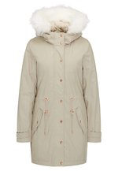 | 4059275275879 | myMo | 1MY21U03M-B11000M000 | 1MY21U03M-B11 | M | Clothing | Women | Outerwear | Coats | Parkas | AW | sand | 1MY21U03M-B11000M000 | 249.95 € | 1
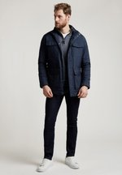 | 5059098059686 | Hackett London | HT622T04M-K1102XL000 | HT622T04M-K11 | XXL | Clothing | Men | Outerwear | Jackets | Military Jackets | AW | blue | HT622T04M-K1102XL000 | 375.00 € | 1
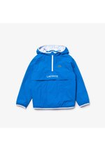 | 3614038042450 | Lacoste Sport | L0624L000-K110016000 | L0624L000-K11 | 176 | Clothing | Boys | Coats & Jackets | Winter Coats | Winter Coats | AW | blue | L0624L000-K110016000 | 120.00 € | 1
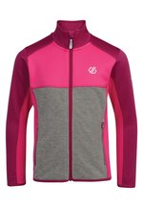 | 5057538614785 | Dare 2B | ZZO0XX007-J0004C5C3B | ZZO0XX007-J00 | 152 | Clothing | Kids Unisex | Coats & Jackets | Lightweight Jackets | Light Jackets | NOS | pink | ZZO0XX007-J0004C5C3B | 50.00 € | 1
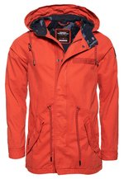 | 5057842073315 | Superdry | SU222T0AY-H11000L000 | SU222T0AY-H11 | L | Clothing | Men | Outerwear | Parkas | Parkas | AW | orange | SU222T0AY-H11000L000 | 129.99 € | 1
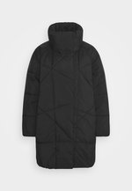 | 7325942782689 | NA-KD | NAA21U02I-Q110038000 | NAA21U02I-Q11 | 38 | Clothing | Women | Outerwear | Jackets | Jackets | AW | black | NAA21U02I-Q110038000 | 79.95 € | 1
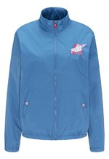 | 4059275215370 | myMo | 1MY21G03M-K11000M000 | 1MY21G03M-K11 | M | Clothing | Women | Jackets / Lightweights | Bombers / Blousons | Bombers / Blousons | AW | dark blue | 1MY21G03M-K11000M000 | 119.95 € | 1
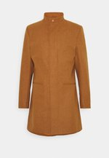 | 8102020903407 | Newport Bay Sailing Club | NER22T002-B1100XL000 | NER22T002-B11 | XL | Clothing | Men | Outerwear | Coats | Single Breasted | AW | beige | NER22T002-B1100XL000 | 69.95 € | 1
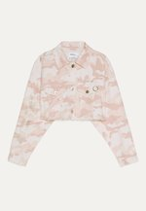 | 2001006961430 | Bershka | BEJ21G05J-J1100XS000 | BEJ21G05J-J11 | XS | Clothing | Women | Jackets / Lightweights | Denim Jackets | Denim Jackets | NOS | pink | BEJ21G05J-J1100XS000 | 29.99 € | 1
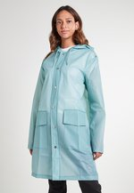 | 5711747425036 | Rains | ZZO12AE05-M00051A089 | ZZO12AE05-M00 | L/XL | Clothing | Women | Outerwear | Jackets | Jackets | AW | mint | ZZO12AE05-M00051A089 | 120.00 € | 1
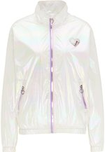 | 4059275487487 | myMo | 1MY21U06A-A1100XL000 | 1MY21U06A-A11 | 42 | Clothing | Women | Outerwear | Jackets | Jackets | AW | white | 1MY21U06A-A1100XL000 | 119.95 € | 1
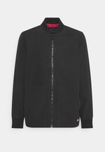 | 5400898434607 | Levi's® | LE222T03A-Q11000S000 | LE222T03A-Q11 | S | Clothing | Men | Outerwear | Jackets | Bomber Jackets | AW | black | LE222T03A-Q11000S000 | 129.95 € | 1
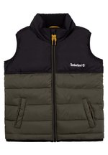 | 3143169549281 | Timberland | TI124L02N-M110126000 | TI124L02N-M11 | 128 | Clothing | Boys | Coats & Jackets | Gilets | Waistcoats | AW | green | TI124L02N-M110126000 | 89.00 € | 1
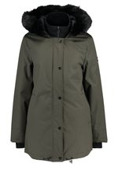 | 0192410500796 | UGG | UG121U00A-N11000M000 | UG121U00A-N11 | M | Clothing | Women | Outerwear | Coats | Parkas | AW | olive | UG121U00A-N11000M000 | 289.95 € | 1
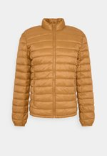 | 3607184824360 | Teddy Smith | TS122H00S-F11000S000 | TS122H00S-F11 | S | Clothing | Men | Outerwear | Jackets | Quilted Jackets | AW | gold-coloured | TS122H00S-F11000S000 | 59.95 € | 1
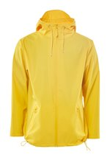 | 5711747426545 | Rains | ZZO11HM08-E0004F3E21 | ZZO11HM08-E00 | XS/S | Clothing | Unisex | Outerwear | Jackets | Light Jackets | AW | yellow | ZZO11HM08-E0004F3E21 | 95.00 € | 1
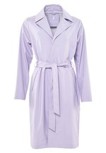 | 5711747427016 | Rains | ZZO11HM06-I0004F3E0D | ZZO11HM06-I00 | M/L | Clothing | Unisex | Outerwear | Jackets | Light Jackets | AW | lilac | ZZO11HM06-I0004F3E0D | 135.00 € | 1
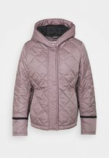 | 5054916753012 | Hunter ORIGINAL | HU121U00J-G11000S000 | HU121U00J-G11 | S | Clothing | Women | Outerwear | Jackets | Jackets | AW | lilac | HU121U00J-G11000S000 | 219.95 € | 1
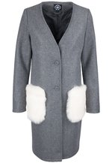 | 4059275160878 | myMo | 1MY21U00G-C11000L000 | 1MY21U00G-C11 | L | Clothing | Women | Outerwear | Coats | Woolen Coats | AW | mottled grey | 1MY21U00G-C11000L000 | 189.95 € | 1
 | 5057842073315 | Superdry | SU222T0AY-H11000L000 | SU222T0AY-H11 | L | Clothing | Men | Outerwear | Parkas | Parkas | AW | orange | SU222T0AY-H11000L000 | 129.99 € | 1
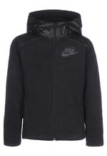 | 0193152599864 | Nike Sportswear | NI122T04I-Q11000S000 | NI122T04I-Q11 | 134/140 | Clothing | Men | Outerwear | Jackets | Light Jackets | AW | black | NI122T04I-Q11000S000 | 50.00 € | 1
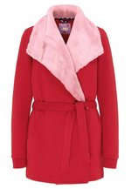 | 4059275340744 | myMo | 1MY21G043-G11000L000 | 1MY21G043-G11 | L | Clothing | Women | Jackets / Lightweights | Jackets | Jackets | AW | dark red | 1MY21G043-G11000L000 | 159.95 € | 1
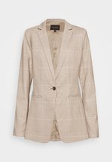 | 4060095477855 | Banana Republic Tall | B1X21G002-O110002000 | B1X21G002-O11 | 32 | Clothing | Women | Jackets / Lightweights | Blazers | Blazers | AW | brown | B1X21G002-O110002000 | 194.95 € | 1
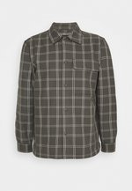 | 3616418966981 | Club Monaco | C0K22T00V-T11000M000 | C0K22T00V-T11 | M | Clothing | Men | Outerwear | Jackets | Light Jackets | AW | grey | C0K22T00V-T11000M000 | 189.95 € | 1
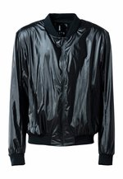 | 5711747454654 | Rains | ZZO13VR28-D000551BEF | ZZO13VR28-D00 | XS/S | Clothing | Unisex | Outerwear | Jackets | Light Jackets | AW | black | ZZO13VR28-D000551BEF | 95.00 € | 1
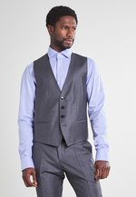 | 4021410428327 | BOSS | ZZO12TH07-C00055B432 | ZZO12TH07-C00 | 26 | Clothing | Men | Outerwear | Jackets | Light Jackets | AW | dark grey | ZZO12TH07-C00055B432 | 129.95 € | 1
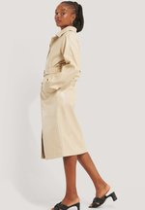 | 7325942792954 | NA-KD | NAA21U030-A110038000 | NAA21U030-A11 | 38 | Clothing | Women | Outerwear | Coats | Trench Coats | AW | white | NAA21U030-A110038000 | 110.95 € | 1
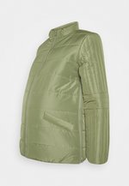 | 5714511210319 | MAMALICIOUS | M6429M01J-N11000M000 | M6429M01J-N11 | 38 | Clothing | Maternity | Outerwear | Jackets | Jackets | AW | olive | M6429M01J-N11000M000 | 69.99 € | 1
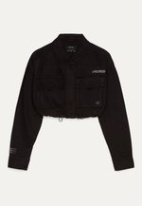 | 2001006961164 | Bershka | BEJ21G05K-Q1100XS000 | BEJ21G05K-Q11 | XS | Clothing | Women | Jackets / Lightweights | Denim Jackets | Denim Jackets | NOS | black | BEJ21G05K-Q1100XS000 | 25.99 € | 1
 | 0192935237658 | K-SWISS | ZZO12AD04-K0005487E8 | ZZO12AD04-K00 | M | Clothing | Unisex | Outerwear | Jackets | Light Jackets | AW | dark blue | ZZO12AD04-K0005487E8 | 99.99 € | 1
 |  |  |  |  |  |  |  |  |  |  |  |  | Cena netto za pakiet | 990.41 €
 |  |  |  |  |  |  |  |  |  |  |  |  | cena 1 szt | 33.01 €

