Arkusz1
Pictures | EAN | Brand | Simple-SKU | Config-SKU | Size | Category | Sex | Type | Type |  | Season | Color | Article Description | RRP DE | QTY
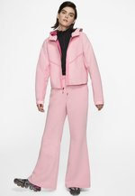 | 0194272302730 | Nike Sportswear | NI121G04E-G1100XS000 | NI121G04E-G11 | XS | Clothing | Women | Jackets / Lightweights | Jackets | Jackets | AW | light pink | NI121G04E-G1100XS000 | 120.00 € | 1
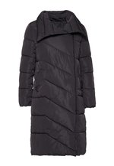 | 5715222249605 | YAS | ZZO1F7706-Q00000M000 | ZZO1F7706-Q00 | M | Clothing | Women | Outerwear | Coats | Coats | AW | black | ZZO1F7706-Q00000M000 | 129.99 € | 1
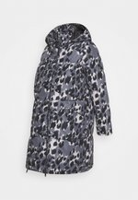 | 5714515439105 | MAMALICIOUS | M6429M01F-Q11000M000 | M6429M01F-Q11 | 38 | Clothing | Maternity | Outerwear | Coats | Coats | NOS | black | M6429M01F-Q11000M000 | 119.99 € | 1
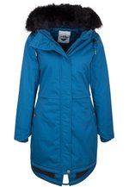 | 4059275082781 | ICEBOUND | IC621U003-L11000S000 | IC621U003-L11 | S | Clothing | Women | Outerwear | Coats | Parkas | AW | turquoise | IC621U003-L11000S000 | 299.95 € | 1
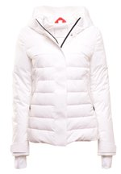 | 4064313001563 | FUCHS SCHMITT | FUD21U026-A110042000 | FUD21U026-A11 | 42 | Clothing | Women | Outerwear | Jackets | Jackets | AW | light pink | FUD21U026-A110042000 | 199.99 € | 1
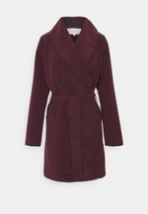 | 5713786577158 | Vila | V1021U092-G110038000 | V1021U092-G11 | 38 | Clothing | Women | Outerwear | Coats | Coats | AW | bordeaux | V1021U092-G110038000 | 49.99 € | 1
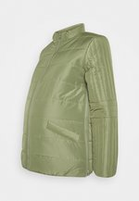 | 5714511210319 | MAMALICIOUS | M6429M01J-N11000M000 | M6429M01J-N11 | 38 | Clothing | Maternity | Outerwear | Jackets | Jackets | AW | olive | M6429M01J-N11000M000 | 69.99 € | 1
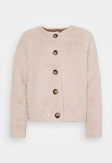 | 5715102414383 | Vero Moda | VE121G10X-J11000S000 | VE121G10X-J11 | S | Clothing | Women | Jackets / Lightweights | Jackets | Jackets | AW | light pink | VE121G10X-J11000S000 | 29.99 € | 1
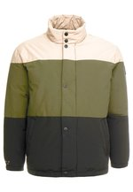 | 5714498814197 | Jack & Jones | JA222T0HD-B1103XL000 | JA222T0HD-B11 | 3XL | Clothing | Men | Outerwear | Down Jackets | No Hoods | AW | beige | JA222T0HD-B1103XL000 | 119.99 € | 1
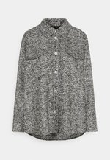 | 4059117239939 | someday. | Y0321G01E-C110042000 | Y0321G01E-C11 | 42 | Clothing | Women | Jackets / Lightweights | Jackets | Jackets | AW | grey | Y0321G01E-C110042000 | 119.99 € | 1
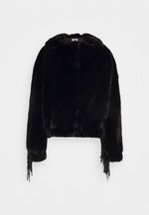 | 3614320432082 | Sixth June | SIB21U00F-Q11000L000 | SIB21U00F-Q11 | L | Clothing | Women | Outerwear | Jackets | Jackets | AW | black | SIB21U00F-Q11000L000 | 109.95 € | 1
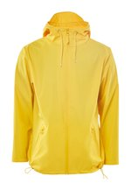 | 5711747426545 | Rains | ZZO11HM08-E0004F3E21 | ZZO11HM08-E00 | XS/S | Clothing | Unisex | Outerwear | Jackets | Light Jackets | AW | yellow | ZZO11HM08-E0004F3E21 | 95.00 € | 1
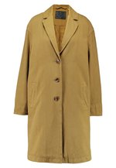 | 5400816701026 | Levi's® | LE221U00X-B11000S000 | LE221U00X-B11 | S | Clothing | Women | Outerwear | Coats | Coats | AW | camel | LE221U00X-B11000S000 | 179.95 € | 1
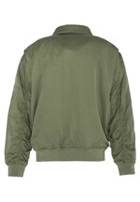 | 3417751311823 | Schott | S3721U00M-N11000S000 | S3721U00M-N11 | S | Clothing | Women | Outerwear | Jackets | Bombers / Blousons | AW | khaki | S3721U00M-N11000S000 | 220.00 € | 1
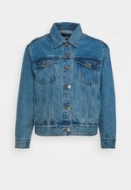 | 5057703789706 | Missguided Petite | M0V21G00K-K110006000 | M0V21G00K-K11 | 34 | Clothing | Women | Jackets / Lightweights | Denim Jackets | Denim Jackets | NOS | blue | M0V21G00K-K110006000 | 44.99 € | 1
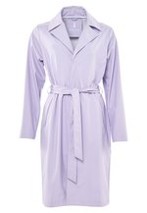 | 5711747426989 | Rains | ZZO11HM06-I000551C79 | ZZO11HM06-I00 | XXS/XS | Clothing | Unisex | Outerwear | Jackets | Light Jackets | AW | lilac | ZZO11HM06-I000551C79 | 135.00 € | 1
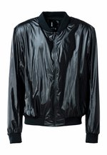 | 5711747454661 | Rains | ZZO13VR28-D000551BEE | ZZO13VR28-D00 | S/M | Clothing | Unisex | Outerwear | Jackets | Light Jackets | AW | black | ZZO13VR28-D000551BEE | 95.00 € | 1
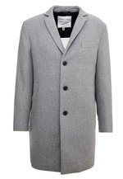 | 4062797641701 | Esprit Collection | ES422T028-C1100XS000 | ES422T028-C11 | XS | Clothing | Men | Outerwear | Coats | Single Breasted | AW | grey | ES422T028-C1100XS000 | 129.99 € | 1
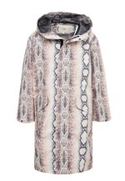 | 3661601657245 | maje | MAL21G00V-A110ONE000 | MAL21G00V-A11 | One Size | Clothing | Women | Jackets / Lightweights | Jackets | Jackets | AW | off-white | MAL21G00V-A110ONE000 | 275.00 € | 1
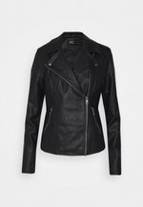 | 5714916719356 | ONLY Tall | OND21G03N-Q1100XS000 | OND21G03N-Q11 | XS | Clothing | Women | Jackets / Lightweights | Bikers | Bikers | AW | black | OND21G03N-Q1100XS000 | 39.99 € | 1
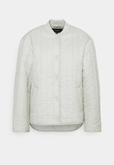 | 5715102799961 | Vero Moda | VE121G112-C1100XL000 | VE121G112-C11 | XL | Clothing | Women | Jackets / Lightweights | Jackets | Jackets | AW | light grey | VE121G112-C1100XL000 | 39.99 € | 1
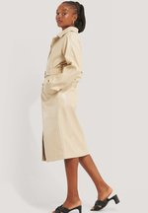 | 7325942792954 | NA-KD | NAA21U030-A110038000 | NAA21U030-A11 | 38 | Clothing | Women | Outerwear | Coats | Trench Coats | AW | white | NAA21U030-A110038000 | 110.95 € | 1
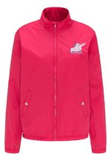 | 4059275215363 | myMo | 1MY21G03M-G11000L000 | 1MY21G03M-G11 | L | Clothing | Women | Jackets / Lightweights | Bombers / Blousons | Bombers / Blousons | AW | red | 1MY21G03M-G11000L000 | 119.95 € | 1
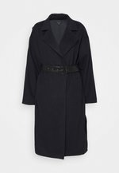 | 0768594568275 | Who What Wear | WHF21U003-K1100XL000 | WHF21U003-K11 | XL | Clothing | Women | Outerwear | Coats | Coats | AW | blue | WHF21U003-K1100XL000 | 269.95 € | 1
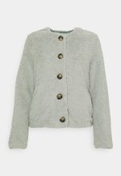 | 5715102414307 | Vero Moda | VE121G10X-C1100XS000 | VE121G10X-C11 | XS | Clothing | Women | Jackets / Lightweights | Jackets | Jackets | AW | light grey | VE121G10X-C1100XS000 | 29.99 € | 1
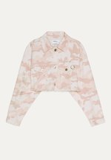 | 2001006961430 | Bershka | BEJ21G05J-J1100XS000 | BEJ21G05J-J11 | XS | Clothing | Women | Jackets / Lightweights | Denim Jackets | Denim Jackets | NOS | pink | BEJ21G05J-J1100XS000 | 29.99 € | 1
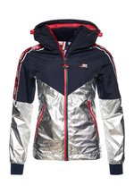 | 5057101972243 | Superdry | SU221U06K-T11000S000 | SU221U06K-T11 | S | Clothing | Women | Outerwear | Jackets | Jackets | AW | black | SU221U06K-T11000S000 | 119.99 € | 1
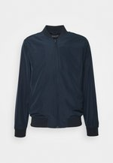 | 5059019569249 | Burton Menswear London | M0822T04V-K1100XS000 | M0822T04V-K11 | XS | Clothing | Men | Outerwear | Jackets | Bomber Jackets | AW | dark blue | M0822T04V-K1100XS000 | 38.95 € | 1
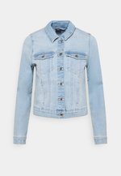 | 5714925424845 | Vero Moda | VE121G0XV-K1100XL000 | VE121G0XV-K11 | XL | Clothing | Women | Jackets / Lightweights | Denim Jackets | Denim Jackets | NOS | light-blue denim | VE121G0XV-K1100XL000 | 39.99 € | 1
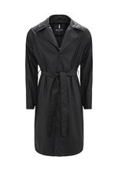 | 5711747420000 | Rains | ZZO11HM06-Q0004F3E08 | ZZO11HM06-Q00 | M/L | Clothing | Unisex | Outerwear | Jackets | Light Jackets | AW | black | ZZO11HM06-Q0004F3E08 | 135.00 € | 1
 |  |  |  |  |  |  |  |  |  |  |  |  | Cena netto za pakiet | 886.91 €
 |  |  |  |  |  |  |  |  |  |  |  |  | cena 1 szt | 29.56 €

